Seating Plan
OpenGov Leadership Forum 3 July 2024 || Sheraton Imperial Hotel Kuala Lumpur (Saffron Room, Level 2)
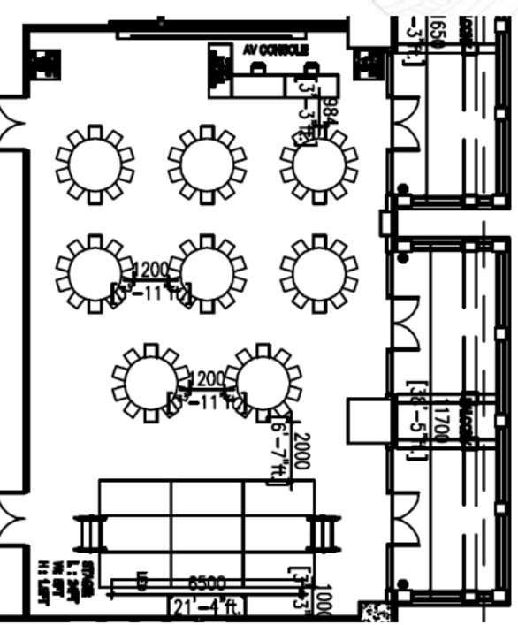
Entrance
A
B
C
D
E
O
Registration
Screen
AV

Delegate Table A |  |  |  | Delegate Table D
No | Name | Job Title | Organisation | No | Name | Job Title | Organisation

Delegate Table B |  |  |  | Delegate Table E
No | Name | Job Title | Organisation | No | Name | Job Title | Organisation
 |  |  |  |  | Mohit Sagar | CEO & Editor-In-Chief | OpenGov Asia

Delegate Table C |  |  |  | Organiser Table O
No | Name | Job Title | Organisation | No | Name | Job Title | Organisation
 |  |  |  | 1 | Ellen Quek | Vice President, APAC | OpenGov Asia
 |  |  |  | 2
 |  |  |  | 3

